Sheet1
Image | Ref | Description | EAN | No of ctns | Qty per ctn | Total Units

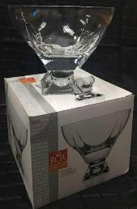 | 237600/D | FUSION BOWL 245 O/FOOT (OLD FOOT) | 6290123219067 | 40 | 4 | 160
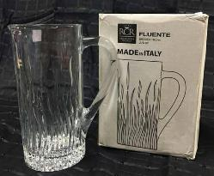 | 253940 | FLUENTE CYLINDRICAL JUG | 8007815253944 | 208 | 2 | 416
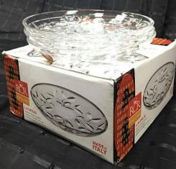 | 254300 | LAURUS S/PLATE SET 6 PCS | 720201254308 | 264 | 4 | 1056
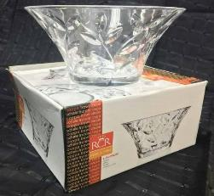 | 312322 | LAURUS BOWL | 720201312329 | 64 | 4 | 256
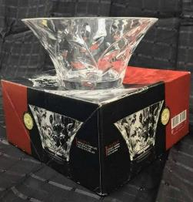 | 312322 | LAURUS BOWL 245 O/FOOT | 720201312329 | 64 | 4 | 256
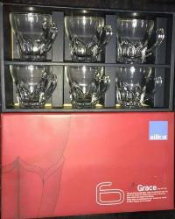 | 990010K | GRACE CUP SET 6 PCS | 6290120246684 | 24 | 12 | 288
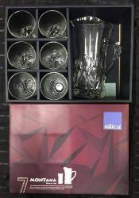 | 990011E | MONTANA WATER SET 7 PCS | 6290120252357 | 56 | 4 | 224
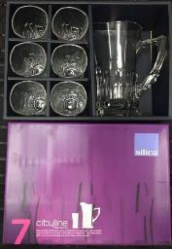 | 990012E | CITYLINE WATER SET 7 PCS | 6290120252364 | 56 | 4 | 224
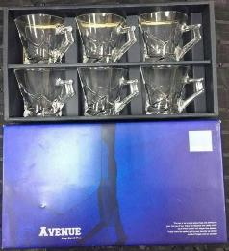 | 99004K | AVENUE CUP SET 6 PCS | 6290120232342 | 24 | 12 | 288
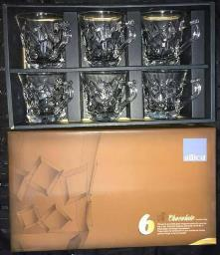 | 99007K | CHOCOLATE CUP SET 6 PCS | 6290120242495 | 24 | 12 | 288
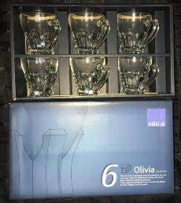 | 99009K | OLIVIA CUP SET 6 PCS | 6290120246677 | 24 | 12 | 288
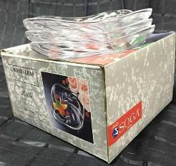 | B41823W | LAUREL LEAF S/PLATE SET 6 PCS | 4905660418232 | 64 | 8 | 512
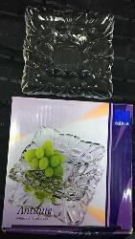 | B42264W | ANTIQUE S/PLATE SET OF 6 PCS | 4905660422642 | 84 | 6 | 504
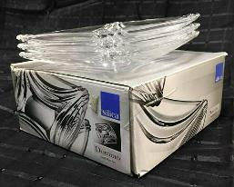 | B42905W | DOMINO S/PLATE SET OF 6 PCS | 4905660429054 | 64 | 8 | 512
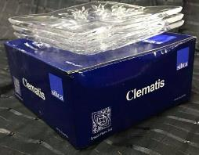 | B452505W | CLEMATIS S/PLATE 6 PCS |  | 64 | 8 | 512
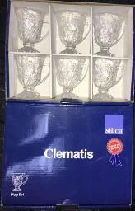 | K429208W | CLEMATIS MUG SET 6PCS | 4905660429085 | 24 | 12 | 288
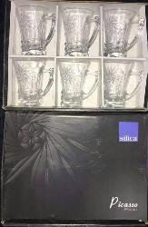 | K42957W | PICASSO MUG SET 6 PCS | 4905660429573 | 32 | 12 | 384
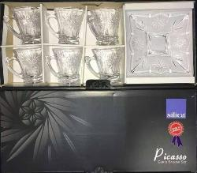 | K43532W | PICASSO CUP & SAUCER SET 12 PCS | 4905660435321 | 34 | 8 | 272
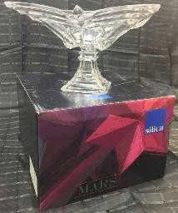 | Z43298W | MARS COMPOTE O/FOOT | 4905660432986 | 20 | 4 | 80

 |  |  |  | 1234 |  | 6808

